Sheet1
 |  | PT.SAPTA INDRA SEJATI
 |  | PLANT REBUILD CENTER

VISUAL & MEASUREMENT CHECK SHEET |  |  |  | WO NUMBER |  |  |  |  |  | DOCUMENT NO
 |  |  |  | COMP.MODEL |  |  |  |  |  | PUBLIC DATE
PTO |  |  |  | COMP.S/N |  |  |  |  |  | REVISION NO
WA 800L - 3 |  |  |  | UNIT CODE |  |  |  |  |  | PAGE

PROCESS |  | START |  |  |  |  | INSPECTION BY
 |  | FINISH

NO | PART TO BE INSPECTED |  | CHECKING POINT |  |  | SKECTH DRAWING OR PHOTOES |  |  |  | VISUAL CHECK & MEASUREMENT |  |  |  |  |  |  | Decision
 |  |  |  |  |  |  |  |  |  |  |  |  |  |  |  |  | U/A | U/R | R/N
1 | Gear |  | 1. External gear teeth |  |  |  |  |  |  | Contens |  | A | B | C | D
 | 711-56-34211 |  | 2. Internal spline teeth |  |  |  |  |  |  | Normal |  |  |  |  |  | A
 |  |  | All round |  |  |  |  |  |  | Crack |  |  |  |  |  | B
 |  |  | Spline teeth wear max depth ≤ 0.35 mm |  |  |  |  |  |  | Scratch |  |  |  |  |  | C
 |  |  |  |  |  |  |  |  |  | Broken |  |  |  |  |  | D
 |  |  |  |  |  |  |  |  |  | Abn wear
 |  |  |  |  |  |  |  |  |  | Remark :
2 | Gear |  | 1. External gear teeth |  |  |  |  |  |  |  | Contens |  | gear
 | 711-56-31342 |  | 2. Bolt contact surface |  |  |  |  |  |  |  | Normal |  |  | Remark :
 |  |  | All round |  |  |  |  |  |  |  | Crack
 |  |  |  |  |  |  |  |  |  |  | Scratch
 |  |  |  |  |  |  |  |  |  |  | Broken
 |  |  |  |  |  |  |  |  |  |  | Abn wear

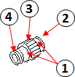
3 | Shaft |  | 1. bearing fitting portion |  |  |  |  |  |  | Contens |  | A | B | C
 | 711-56-34361 |  | 2. Internal spline teeth |  |  |  |  |  |  | Normal |  |  |  |  |  | A
 |  |  | 3. External gear teeth |  |  |  |  |  |  | Crack |  |  |  |  |  | B
 |  |  | 4. Snap ring groove |  |  |  |  |  |  | Scratch |  |  |  |  |  | C
 |  |  | Spline teeth wear max depth ≤ 0.35 mm |  |  |  |  |  |  | Broken
 |  |  |  |  |  |  |  |  |  | Abn wear
 |  |  |  |  |  |  |  |  |  | Remark :
4 | Shaft |  | 1. bearing fitting portion |  |  |  |  |  |  |  | Contens |  | Shaft
 | 711-56-34461 |  | 2. Internal spline teeth |  |  |  |  |  |  |  | Normal |  |  | Remark :
 |  |  | 3. External gear teeth |  |  |  |  |  |  |  | Crack
 |  |  | 4. Snap ring groove |  |  |  |  |  |  |  | Scratch
 |  |  | Spline teeth wear max depth ≤ 0.35 mm |  |  |  |  |  |  |  | Broken
 |  |  |  |  |  |  |  |  |  |  | Abn wear

5 | Collar |  | 1. Gear contact surface |  |  |  |  |  |  | Contens |  | A | B | C | D
 | 711-56-34370 |  | 2. Shaft contact surface |  |  |  |  |  |  | Normal |  |  |  |  |  | A
 |  |  | All round |  |  |  |  |  |  | Crack |  |  |  |  |  | B
 |  |  |  |  |  |  |  |  |  | Scratch |  |  |  |  |  | C
 |  |  |  |  |  |  |  |  |  | Broken |  |  |  |  |  | D
 |  |  |  |  |  |  |  |  |  | Abn wear
 |  |  |  |  |  |  |  |  |  | Remark :

 |  | PT.SAPTA INDRA SEJATI
 |  | PLANT REBUILD CENTER

VISUAL & MEASUREMENT CHECK SHEET |  |  |  | WO NUMBER |  |  |  |  |  | DOCUMENT NO
 |  |  |  | COMP.MODEL |  |  |  |  |  | PUBLIC DATE
TORQUE CONVERTER |  |  |  | COMP.S/N |  |  |  |  |  | REVISION NO
WA 800L - 3 |  |  |  | UNIT CODE |  |  |  |  |  | PAGE

PROCESS |  | START |  |  |  |  | INSPECTION BY
 |  | FINISH

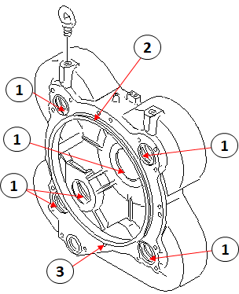
NO | PART TO BE INSPECTED |  | CHECKING POINT |  |  | SKECTH DRAWING OR PHOTOES |  |  |  | VISUAL CHECK & MEASUREMENT |  |  |  |  |  |  | Decision
 |  |  |  |  |  |  |  |  |  |  |  |  |  |  |  |  | U/A | U/R | R/N
1 | Housing |  | 1. Bearing fitting portion |  |  |  |  |  |  | Contens |  | Hsng |  | Trunion fitting portion
 | 711-56-33131 |  | 2. Oring groove |  |  |  |  |  |  | Normal |  |  |  | X |  | Y |  | Z
 |  |  | 3. Thread fitting portion |  |  |  |  |  |  | Crack
 |  |  | Trunion fitting portion |  |  |  |  |  |  | Scratch
 |  |  | Standart |  | limit |  |  |  |  | Broken |  |  |  |  |  |  | U/A | U/R | R/N
 |  |  | 230 |  |  |  |  |  |  | Abn wear
 |  |  |  |  |  |  |  |  |  | Remark :
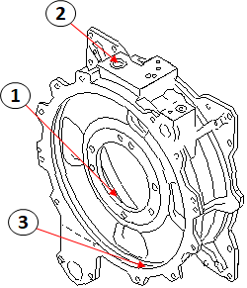
2 | Housing |  | 1. Shaft contact surface |  |  |  |  |  |  |  | Contens |  | Hsng
 | 711-56-33110 |  | 2. Oring groove |  |  |  |  |  |  |  | Normal
 |  |  | 3. Oring contact surface |  |  |  |  |  |  |  | Crack |  |  | Remark :
 |  |  | All round |  |  |  |  |  |  |  | Scratch
 |  |  |  |  |  |  |  |  |  |  | Broken
 |  |  |  |  |  |  |  |  |  |  | Abn wear

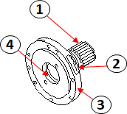
3 | Shaft |  | 1. External spline teeth |  |  |  |  |  |  |  | Contens |  | Shaft
 | 711-56-32521 |  | Spline teeth wear max depth ≤ 0.35 mm |  |  |  |  |  |  |  | Normal
 |  |  |  |  |  |  |  |  |  |  | Crack |  |  | Remark :
 |  |  | 2. Thread fitting portion |  |  |  |  |  |  |  | Scratch
 |  |  | 3. Shaft contact surface |  |  |  |  |  |  |  | Broken
 |  |  | 4. Sleeve fitting portion |  |  |  |  |  |  |  | Abn wear
 |  |  | All round
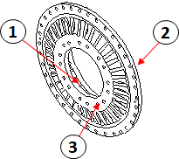
4 | Pump |  | 1. Retainer fitting portion |  |  |  |  |  |  |  | Contens |  | Pmp
 | 711-56-31122 |  | 2. Sudu of pump |  |  |  |  |  |  |  | Normal
 |  |  | 3. Mating Face |  |  |  |  |  |  |  | Crack |  |  | Remark :
 |  |  | All round |  |  |  |  |  |  |  | Scratch
 |  |  |  |  |  |  |  |  |  |  | Broken
 |  |  |  |  |  |  |  |  |  |  | Abn wear

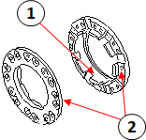
5 | Guide |  | 1. Bearing fitting portion |  |  |  |  |  |  |  | Contens |  | guid | rtner
 | 711-56-31193 |  | 2. pump contact surface |  |  |  |  |  |  |  | Normal |  |  |  |  | guid
 | Retainer |  | All round |  |  |  |  |  |  |  | Crack |  |  |  |  | rtner
 | 711-56-31142 |  |  |  |  |  |  |  |  |  | Scratch |  |  |  | Remark :
 |  |  |  |  |  |  |  |  |  |  | Broken
 |  |  |  |  |  |  |  |  |  |  | Abn wear

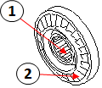
6 | Stator |  | 1. Internal spline teeth |  |  |  |  |  |  |  | Contens |  | Statr
 | 711-56-32110 |  | 2. Sudu of Stator |  |  |  |  |  |  |  | Normal
 |  |  | All round |  |  |  |  |  |  |  | Crack |  |  | Remark :
 |  |  |  |  |  |  |  |  |  |  | Scratch
 |  |  |  |  |  |  |  |  |  |  | Broken
 |  |  |  |  |  |  |  |  |  |  | Abn wear

 |  | PT.SAPTA INDRA SEJATI
 |  | PLANT REBUILD CENTER

VISUAL & MEASUREMENT CHECK SHEET |  |  |  | WO NUMBER |  |  |  |  |  | DOCUMENT NO
 |  |  |  | COMP.MODEL |  |  |  |  |  | PUBLIC DATE
TORQUE CONVERTER |  |  |  | COMP.S/N |  |  |  |  |  | REVISION NO
WA 800L - 3 |  |  |  | UNIT CODE |  |  |  |  |  | PAGE

PROCESS |  | START |  |  |  |  | INSPECTION BY
 |  | FINISH

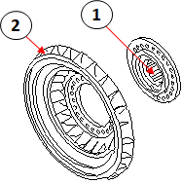
NO | PART TO BE INSPECTED |  | CHECKING POINT |  |  | SKECTH DRAWING OR PHOTOES |  |  |  | VISUAL CHECK & MEASUREMENT |  |  |  |  |  |  | Decision
 |  |  |  |  |  |  |  |  |  |  |  |  |  |  |  |  | U/A | U/R | R/N
7 | Turbin Assy |  | 1. Internal spline teeth |  |  |  |  |  |  |  | Contens |  | Trbn | Boss
 | 711-56-31511 |  | 2. Sudu of turbin |  |  |  |  |  |  |  | Normal |  |  |  |  | Trbn
 |  |  | All round |  |  |  |  |  |  |  | Crack |  |  |  |  | Boss
 |  |  |  |  |  |  |  |  |  |  | Scratch |  |  |  | Remark :
 |  |  |  |  |  |  |  |  |  |  | Broken
 |  |  |  |  |  |  |  |  |  |  | Abn wear

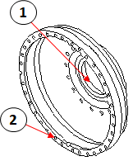
8 | Case |  | 1. Bearing fitting portion |  |  |  |  |  |  |  | Contens |  | Case
 | 711-56-31213 |  | 2. Thread fitting portion |  |  |  |  |  |  |  | Normal
 |  |  | All round |  |  |  |  |  |  |  | Crack |  |  | Remark :
 |  |  |  |  |  |  |  |  |  |  | Scratch
 |  |  |  |  |  |  |  |  |  |  | Broken
 |  |  |  |  |  |  |  |  |  |  | Abn wear

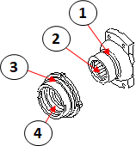
9 | Retainer |  | 1. Seal contact surface
 | 711-56-33331 |  | Dept : std ≤ 0.1mm |  |  |  |  |  |  |  | Contens |  | Rtnr | Flng |  | Act
 | Flange |  | Widt : std ≤ 0.5 mm |  |  |  |  |  |  |  | Normal
 | 711-56-31360 |  | 2. Internal spline teeth |  |  |  |  |  |  |  | Crack |  |  |  |  | Rtnr
 |  |  | Spline teeth wear max depth ≤ 0.35 mm |  |  |  |  |  |  |  | Scratch |  |  |  |  | Flng
 |  |  |  |  |  |  |  |  |  |  | Broken
 |  |  | 3. Oring groove |  |  |  |  |  |  |  | Abn wear
 |  |  | 4. Seal fitting portion |  |  |  |  |  |  | Remark :
 |  |  | All round
 |  |  | Seal contact surface
 |  |  | Standart |  | limit

 | Note

 | INSPECTION BY |  |  |  |  |  |  |  |  | APPROVED BY

 | MECHANIC |  |  |  |  |  |  |  |  | GL /QA

 |  | PT.SAPTA INDRA SEJATI
 |  | PLANT REBUILD CENTER

VISUAL & MEASUREMENT CHECK SHEET |  |  |  | WO NUMBER |  |  |  |  |  | DOCUMENT NO
 |  |  |  | COMP.MODEL |  |  |  |  |  | PUBLIC DATE
TRANSMISI |  |  |  | COMP.S/N |  |  |  |  |  | REVISION NO
WA 800L - 3 |  |  |  | UNIT CODE |  |  |  |  |  | PAGE

PROCESS |  | START |  |  |  |  | INSPECTION BY
 |  | FINISH

NO | PART TO BE INSPECTED |  | CHECKING POINT |  |  | SKECTH DRAWING OR PHOTOES |  |  |  | VISUAL CHECK & MEASUREMENT |  |  |  |  |  |  | Decision
 |  |  |  |  |  |  |  |  |  |  |  |  |  |  |  |  | U/A | U/R | R/N
1 | Housing |  | 1. Bearing fitting portion |  |  |  |  |  |  |  | Contens |  | Act
 | 427-15-11193 |  | 2. Disc contact surface |  |  |  |  |  |  |  | Normal
 |  |  | All round |  |  |  |  |  |  |  | Crack |  |  | Remark :
 |  |  |  |  |  |  |  |  |  |  | Scratch
 |  |  |  |  |  |  |  |  |  |  | Broken
 |  |  |  |  |  |  |  |  |  |  | Abn wear

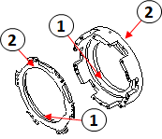
2 | Housing,reverse |  | 1. Seal contact surface |  |  |  |  |  |  |  | Contens |  | Pstn | Hsng |  | Pstn
 | 427-15-11180 |  | 2. Disc contact surface |  |  |  |  |  |  |  | Normal |  |  |  |  | Hsng
 | Piston,reverse |  | All round |  |  |  |  |  |  |  | Crack |  |  |  | Remark :
 | 198-15-22750 |  |  |  |  |  |  |  |  |  | Scratch
 |  |  |  |  |  |  |  |  |  |  | Broken
 |  |  |  |  |  |  |  |  |  |  | Abn wear

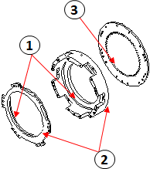
3 | Housing,forward |  | 1. Seal contact surface |  |  |  |  |  |  | Contens |  | Pstn | H.Fw | Hsng |  | Pstn
 | 427-15-11170 |  | 2. disc contact surface |  |  |  |  |  |  | Normal |  |  |  |  |  | H.Fw
 | Piston,forward |  | 3. Internal gear teeth |  |  |  |  |  |  | Crack |  |  |  |  |  | Hsng
 | 427-15-12760 |  | All round |  |  |  |  |  |  | Scratch |  |  |  |  | Remark :
 | HOUSING |  |  |  |  |  |  |  |  | Broken
 | 427-15-11161 |  |  |  |  |  |  |  |  | Abn wear

4 | Housing complete |  | 1. Bearing fitting portion |  |  |  |  |  |  |  | Contens |  | Pstn | Hsng |  | Pstn
 | 427-15-11501 |  | 2. Seal contact surface |  |  |  |  |  |  |  | Normal |  |  |  |  | Hsng
 | Piston forward |  | 3. Disc contact surface |  |  |  |  |  |  |  | Crack |  |  |  | Remark :
 | 427-15-12760 |  | All round |  |  |  |  |  |  |  | Scratch
 |  |  |  |  |  |  |  |  |  |  | Broken
 |  |  |  |  |  |  |  |  |  |  | Abn wear

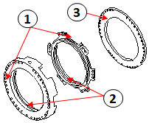
5 | Housing |  | 1. Disc contact surface |  |  |  |  |  |  | Contens |  | Pstn | Hsng | Hsng |  | Pstn
 | 427-15-11140 |  | 2. Seal contact surface |  |  |  |  |  |  | Normal |  |  |  |  |  | Hsng
 | Piston,1 st |  | 3. Matting face |  |  |  |  |  |  | Crack |  |  |  |  |  | Hsng
 | 198-15-22740 |  | All round |  |  |  |  |  |  | Scratch |  |  |  |  | Remark :
 | Housing |  |  |  |  |  |  |  |  | Broken
 | 427-15-11130 |  |  |  |  |  |  |  |  | Abn wear

6 | Pin,(D=20. L=237.5) |  | 1. Matting face |  |  |  |  |  |  |  | Contens |  | Act
 | 568-15-11370 |  | All round |  |  |  |  |  |  |  | Normal
 |  |  |  |  |  |  |  |  |  |  | Crack |  |  | Remark :
 |  |  |  |  |  |  |  |  |  |  | Scratch
 |  |  |  |  |  |  |  |  |  |  | Broken
 |  |  |  |  |  |  |  |  |  |  | Abn wear

 |  | PT.SAPTA INDRA SEJATI
 |  | PLANT REBUILD CENTER

VISUAL & MEASUREMENT CHECK SHEET |  |  |  | WO NUMBER |  |  |  |  |  | DOCUMENT NO
 |  |  |  | COMP.MODEL |  |  |  |  |  | PUBLIC DATE
TRANSMISI |  |  |  | COMP.S/N |  |  |  |  |  | REVISION NO
WA 800L - 3 |  |  |  | UNIT CODE |  |  |  |  |  | PAGE

PROCESS |  | START |  |  |  |  | INSPECTION BY
 |  | FINISH

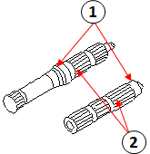
NO | PART TO BE INSPECTED |  | CHECKING POINT |  |  | SKECTH DRAWING OR PHOTOES |  |  |  | VISUAL CHECK & MEASUREMENT |  |  |  |  |  |  | Decision
 |  |  |  |  |  |  |  |  |  |  |  |  |  |  |  |  | U/A | U/R | R/N
7 | Shaft |  | 1. Bearing fitting portion |  |  |  |  |  |  |  | Contens |  | A | B
 | 427-15-12141 |  | 2. External spline teeth |  |  |  |  |  |  |  | Normal |  |  |  |  | A
 | 427-15-12120 |  | Spline teeth wear max depth ≤ 0.35 mm |  |  |  |  |  |  |  | Crack |  |  |  |  | B
 |  |  |  |  |  |  |  |  |  |  | Scratch |  |  |  | Remark :
 |  |  | All round |  |  |  |  |  |  |  | Broken
 |  |  |  |  |  |  |  |  |  |  | Abn wear

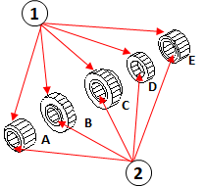
8 | Gear, Sun |  | 1. External gear teeth |  |  |  |  |  |  | Contens |  | A | B | C | D | E | U/A | U/R | R/N
 | A : 427-15-12210 |  | 2. Internal spline teeth |  |  |  |  |  |  | Normal
 | B : 427-15-12220 |  | Spline teeth wear max depth ≤ 0.35 mm |  |  |  |  |  |  | Crack
 | C : 427-15-12220 |  |  |  |  |  |  |  |  | Scratch
 | D : 427-15-12230 |  | All round |  |  |  |  |  |  | Broken
 | E : 427-15-12240 |  |  |  |  |  |  |  |  | Abn wear
 |  |  |  |  |  |  |  |  |  | Remark :
9 | Gear, Ring |  | 1. External spline teeth |  |  |  |  |  |  | Contens |  | A | B | C | D | E | F
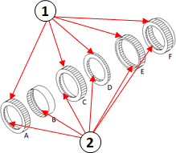
 | A : 427-15-12640 |  | Spline teeth wear max depth ≤ 0.35 mm |  |  |  |  |  |  | Normal
 | B : 427-15-12630 |  |  |  |  |  |  |  |  | Crack
 | C : 427-15-12620 |  | 2. Internal gear teeth |  |  |  |  |  |  | Scratch
 | D : 427-15-12610 |  | All round |  |  |  |  |  |  | Broken
 | E : 427-15-12660 |  |  |  |  |  |  |  |  | Abn wear
 | F : 427-15-12651 |  |  |  |  |  |  |  |  |  | U/A
 |  |  |  |  |  |  |  |  |  |  | U/R
 |  |  |  |  |  |  |  |  |  |  | R/N
 |  |  |  |  |  |  |  |  |  | Remark :
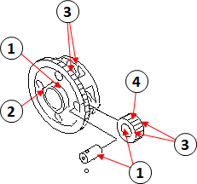
10 | Carier |  | 1. Bearing fittng portion |  |  |  |  |  |  | Contens |  | Carr | Shaft | Gear
 | 427-15-12312 |  | 2. Snap ring groove |  |  |  |  |  |  | Normal |  |  |  |  |  | Carr
 | Shaft |  | 3. Trust washer contact surface |  |  |  |  |  |  | Crack |  |  |  |  |  | Shaft
 | 427-15-00120 |  |  |  |  |  |  |  |  | Scratch |  |  |  |  |  | Gear
 | Gear |  | 4. External gear teeth |  |  |  |  |  |  | Broken |  |  |  |  | Remark :
 | 427-15-12410 |  | All round |  |  |  |  |  |  | Abn wear

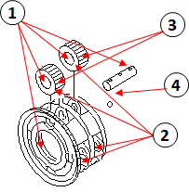
11 | Carier |  | 1. Bearing fitting portion |  |  |  |  |  |  | Contens |  | Carr | Shaft | Gear
 | 427-15-00132 |  | 2. Trust washer contact surface |  |  |  |  |  |  | Normal |  |  |  |  |  | Carr
 | Shaft |  |  |  |  |  |  |  |  | Crack |  |  |  |  |  | Shaft
 | 427-15-12520 |  | 3. External gear teeth |  |  |  |  |  |  | Scratch |  |  |  |  |  | Gear
 | Gear |  | 4. Ball fitting portion |  |  |  |  |  |  | Broken |  |  |  |  | Remark :
 | 427-15-12420 |  | All round |  |  |  |  |  |  | Abn wear

 |  | PT.SAPTA INDRA SEJATI
 |  | PLANT REBUILD CENTER

VISUAL & MEASUREMENT CHECK SHEET |  |  |  | WO NUMBER |  |  |  |  |  | DOCUMENT NO
 |  |  |  | COMP.MODEL |  |  |  |  |  | PUBLIC DATE
TRANSMISI |  |  |  | COMP.S/N |  |  |  |  |  | REVISION NO
WA 800L - 3 |  |  |  | UNIT CODE |  |  |  |  |  | PAGE

PROCESS |  | START |  |  |  |  | INSPECTION BY
 |  | FINISH

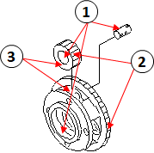
NO | PART TO BE INSPECTED |  | CHECKING POINT |  |  | SKECTH DRAWING OR PHOTOES |  |  |  | VISUAL CHECK & MEASUREMENT |  |  |  |  |  |  | Decision
 |  |  |  |  |  |  |  |  |  |  |  |  |  |  |  |  | U/A | U/R | R/N
12 | Carier |  | 1. Bearing fitting portion |  |  |  |  |  |  | Contens |  | Carr | Shaft | Gear
 | 427-15-12332 |  | 2. External gear teeth |  |  |  |  |  |  | Normal |  |  |  |  |  | Carr
 | Shaft |  | 3. Trust washer contact surface |  |  |  |  |  |  | Crack |  |  |  |  |  | Shaft
 | 427-15-00140 |  |  |  |  |  |  |  |  | Scratch |  |  |  |  |  | Gear
 | Gear |  |  |  |  |  |  |  |  | Broken |  |  |  |  | Remark :
 | 427-15-12430 |  |  |  |  |  |  |  |  | Abn wear

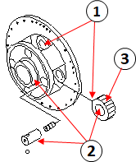
13 | Carier |  | 1. Trust washer contact surface |  |  |  |  |  |  | Contens |  | Carr | Shaft | Gear
 | 427-15-12341 |  |  |  |  |  |  |  |  | Normal |  |  |  |  |  | Carr
 | Shaft |  | 2. Bearing fitting portion |  |  |  |  |  |  | Crack |  |  |  |  |  | Shaft
 | 427-15-00150 |  | 3. External gear teeth |  |  |  |  |  |  | Scratch |  |  |  |  |  | Gear
 | Gear |  | All round |  |  |  |  |  |  | Broken |  |  |  |  | Remark :
 | 427-15-12440 |  |  |  |  |  |  |  |  | Abn wear

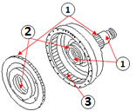
14 | Shaft |  | 1. External spline teeth |  |  |  |  |  |  |  | Contens |  | Pstn | Shaft
 | 427-15-12134 |  | 2. Bearing fitting portion |  |  |  |  |  |  |  | Normal |  |  |  |  | Pstn
 | Piston |  | 3. Internal spline teeth |  |  |  |  |  |  |  | Crack |  |  |  |  | Shaft
 | 427-15-12750 |  | All round |  |  |  |  |  |  |  | Scratch |  |  |  | Remark :
 |  |  |  |  |  |  |  |  |  |  | Broken
 |  |  |  |  |  |  |  |  |  |  | Abn wear

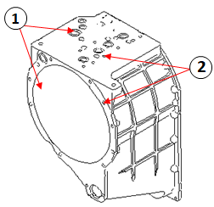
15 | Case |  | 1. Oring groove |  |  |  |  |  |  |  | Contens |  | Act
 | 427-15-11110 |  | 2. Thread fitting portion |  |  |  |  |  |  |  | Normal |  |  |  |  | Act
 |  |  | All round |  |  |  |  |  |  |  | Crack |  |  | Remark :
 |  |  |  |  |  |  |  |  |  |  | Scratch
 |  |  |  |  |  |  |  |  |  |  | Broken
 |  |  |  |  |  |  |  |  |  |  | Abn wear

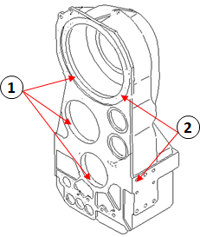
16 | Case aasy |  | 1. Oring contact surface |  |  |  |  |  |  |  | Contens |  | Act
 | 427-15-00181 |  | 2. Thread fitting portion |  |  |  |  |  |  |  | Normal |  |  |  |  | Act
 |  |  | All round |  |  |  |  |  |  |  | Crack |  |  | Remark :
 |  |  |  |  |  |  |  |  |  |  | Scratch
 |  |  |  |  |  |  |  |  |  |  | Broken
 |  |  |  |  |  |  |  |  |  |  | Abn wear

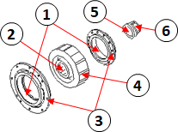
17 | Cage |  | 1. Bearing fitting portion |  |  |  |  |  |  | Contens |  | Cage | Gear | Cage | Cllr
 | 427-15-13131 |  | 2. Internal spline teeth |  |  |  |  |  |  | Normal |  |  |  |  |  | Cage
 | Gear |  | 3. Thread fitting portion |  |  |  |  |  |  | Crack |  |  |  |  |  | Gear
 | 427-15-13211 |  | 4. External Gear teeth |  |  |  |  |  |  | Scratch |  |  |  |  |  | Cage
 | Cage |  | 5. Shaft contact surface |  |  |  |  |  |  | Broken |  |  |  |  |  | Cllr
 | 427-15-19470 |  | 6. Ring groove |  |  |  |  |  |  | Abn wear
 | Collar |  | All round |  |  |  |  |  |  | Remark :
 | 427-15-13361
 |  | PT.SAPTA INDRA SEJATI
 |  | PLANT REBUILD CENTER

VISUAL & MEASUREMENT CHECK SHEET |  |  |  | WO NUMBER |  |  |  |  |  | DOCUMENT NO
 |  |  |  | COMP.MODEL |  |  |  |  |  | PUBLIC DATE
TRANSFER GEAR |  |  |  | COMP.S/N |  |  |  |  |  | REVISION NO
WA 800L - 3 |  |  |  | UNIT CODE |  |  |  |  |  | PAGE

PROCESS |  | START |  |  |  |  | INSPECTION BY
 |  | FINISH

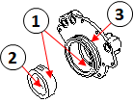
NO | PART TO BE INSPECTED |  | CHECKING POINT |  |  | SKECTH DRAWING OR PHOTOES |  |  |  | VISUAL CHECK & MEASUREMENT |  |  |  |  |  |  | Decision
 |  |  |  |  |  |  |  |  |  |  |  |  |  |  |  |  | U/A | U/R | R/N
1 | Bushing |  | 1. Bushing fitting portion |  |  |  |  |  |  |  | Contens |  | Bsng | Cvr
 | 427-15-13350 |  | 2. Ring contact surface |  |  |  |  |  |  |  | Normal |  |  |  |  | Bsng
 | Cover |  | 3. Oring groove |  |  |  |  |  |  |  | Crack |  |  |  |  | Cvr
 | 427-15-00161 |  | All round |  |  |  |  |  |  |  | Scratch |  |  |  | Remark :
 |  |  |  |  |  |  |  |  |  |  | Broken
 |  |  |  |  |  |  |  |  |  |  | Abn wear

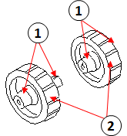
2 | Gear (A) |  | 1. Bearing fitting portion |  |  |  |  |  |  |  | Contens |  | A | B
 | 427-15-13721 |  | 2. External gear teeth |  |  |  |  |  |  |  | Normal |  |  |  |  | A
 | Gear (B) |  | All round |  |  |  |  |  |  |  | Crack |  |  |  |  | B
 | 427-15-13731 |  |  |  |  |  |  |  |  |  | Scratch |  |  |  | Remark :
 |  |  |  |  |  |  |  |  |  |  | Broken
 |  |  |  |  |  |  |  |  |  |  | Abn wear

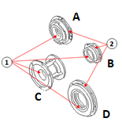
3 | Case |  | 1. Bearing fitting portion |  |  |  |  |  |  | Contens |  | A | B | C | D
 | 427-15-13150 |  | 2. Oring groove |  |  |  |  |  |  | Normal |  |  |  |  |  | A
 | Cage |  | All round |  |  |  |  |  |  | Crack |  |  |  |  |  | B
 | 427-15-13160 |  |  |  |  |  |  |  |  | Scratch |  |  |  |  |  | C
 | 427-15-13170 |  |  |  |  |  |  |  |  | Broken |  |  |  |  |  | D
 | 427-15-13180 |  |  |  |  |  |  |  |  | Abn wear
 |  |  |  |  |  |  |  |  |  | Remark :
4 | SHAFT |  | 1. External spline teeth |  |  |  |  |  |  |  | Contens |  | Shft | Gear
 | 427-15-13310 |  | 2. Internal spline teeth |  |  |  |  |  |  |  | Normal |  |  |  |  | Shft
 | GEAR |  | 3. External gear teeth |  |  |  |  |  |  |  | Crack |  |  |  |  | Gear
 | 427-15-13241 |  | All round |  |  |  |  |  |  |  | Scratch |  |  |  | Remark :
 |  |  |  |  |  |  |  |  |  |  | Broken
 |  |  |  |  |  |  |  |  |  |  | Abn wear

5 | CAGE |  | 1. Bearing fitting portion |  |  |  |  |  |  |  | Contens |  | Act
 | 427-15-13190 |  | 2. Seal fitting portion |  |  |  |  |  |  |  | Normal |  |  |  |  | Act
 |  |  | 3. Oring groove |  |  |  |  |  |  |  | Crack |  |  | Remark :
 |  |  | All round |  |  |  |  |  |  |  | Scratch
 |  |  |  |  |  |  |  |  |  |  | Broken
 |  |  |  |  |  |  |  |  |  |  | Abn wear

6 | COUPLING |  | 1. Bearing fitting portion |  |  |  |  |  |  |  | Contens |  | A | B
 | 427-15-13250 |  | 2. Seal contact surface |  |  |  |  |  |  |  | Normal |  |  |  |  | A
 | COUPLING |  | 3. Matting face |  |  |  |  |  |  |  | Crack |  |  |  |  | B
 | 427-15-13260 |  | 4. Internal spline teeth |  |  |  |  |  |  |  | Scratch
 |  |  | Oil seal contact surface |  |  |  |  |  |  |  | Broken |  |  |  |  | A
 |  |  | Standart |  | limit |  |  |  |  |  | Abn wear |  |  |  |  | B
 |  |  | 170 |  | 169.8 |  |  |  |  |  | Remark :

 |  | PT.SAPTA INDRA SEJATI
 |  | PLANT REBUILD CENTER

VISUAL & MEASUREMENT CHECK SHEET |  |  |  | WO NUMBER |  |  |  |  |  | DOCUMENT NO
 |  |  |  | COMP.MODEL |  |  |  |  |  | PUBLIC DATE
TRANSMISI |  |  |  | COMP.S/N |  |  |  |  |  | REVISION NO
WA 800L - 3 |  |  |  | UNIT CODE |  |  |  |  |  | PAGE

PROCESS |  | START |  |  |  |  | INSPECTION BY
 |  | FINISH

NO | PART TO BE INSPECTED |  | CHECKING POINT |  |  | SKECTH DRAWING OR PHOTOES |  |  |  | VISUAL CHECK & MEASUREMENT |  |  |  |  |  |  | Decision
 |  |  |  |  |  |  |  |  |  |  |  |  |  |  |  |  | U/A | U/R | R/N
7 | Spring Clutch
 |  |  |  |  |  |  |  | R

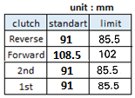
 |  |  |  |  |  |  |  | F

 |  |  |  |  |  |  |  | 2nd

 |  |  |  |  |  |  |  | 1st

 |  |  |  |  |  |  |  | Remark :

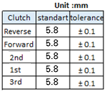
8 | Plate
 |  |  |  |  |  |  |  |  | 1 | 2 |  | 3 |  | 4 |  | 5 |  | 6
 |  |  |  |  |  |  |  | R
 |  |  |  |  |  |  |  | F
 |  |  |  |  |  |  |  | 2nd
 |  |  |  |  |  |  |  | 1st
 |  |  |  |  |  |  |  | 3rd
 |  |  |  |  |  |  |  | Remark :

 | Note

 | INSPECTION BY |  |  |  |  |  |  |  |  | APPROVED BY

 | MECHANIC |  |  |  |  |  |  |  |  | GL /QA

